Billing and payment
Note: Indicators that require a value as at 30 June are shaded green. Indicators that require a cumulative total value for the whole of the reporting year are shaded blue. Do not enter data into cells that are shaded yellow, these indicators are automatically calculated. Do not enter data into cells that are shaded grey, they do not apply to that indicator.
#REF!
Billing and payment
IndicatorNo. | Description | Basis of Reporting |  | Comments
 |  | Number | Percentage
CCR 11 | Total number of residential customers who have been issued with a bill outside the prescribed maximum timeframe and where the delay is due to fault on the part of the retailer. | 1 |  | Advised as Type 2 Breach to the ERA
CCR 12 | Percentage of residential customers who have been issued with a bill outside the prescribed maximum timeframe and where the delay is due to fault on the part of the retailer. |  | 0.0%
CCR 13 | Total number of residential customers who have been issued with a bill outside the prescribed maximum timeframe and where the delay is due to the retailer not receiving the billing data from the distributor. | 0
CCR 14 | Percentage of residential customers who have been issued with a bill outside the prescribed maximum timeframe and where the delay is due to the retailer not receiving the billing data from the distributor. |  | 0.0%
CCR 15 | Not used.
CCR 16 | Not used.
CCR 17 | Total number of residential customers who are subject to an instalment plan. | 1,984 |  | Reduction due to Government COVID Assistance Payment and disconnection moratorium, many customers could avoid paying outstanding debt. Concerted efforts made to ensure customers received full Centrelink Concession Rebates, increased drive to push customers to CentrePay and introduction of Direct Debit option.
CCR 18 | Percentage of residential accounts who are subject to an instalment plan. |  | 5.5%
CCR 19 | Total number of residential customers who have been granted additional time to pay a bill. | 4,687 |  | Refer to CCR17
CCR 20 | Percentage of residential customers who have been granted additional time to pay a bill. |  | 12.9%
CCR 21 | Not used.
CCR 22 | Not used.
CCR 23 | Total number of business customers that have been issued with a bill outside the prescribed maximum timeframe. | 0
CCR 24 | Percentage of business customers that have been issued with a bill outside the prescribed maximum timeframe. |  | 0.0%
CCR 25 | Total number of business customers that are subject to an instalment plan. | 143 |  | Reasons to previous 3 years unknown.
CCR 26 | Percentage of business customers that are subject to an instalment plan. |  | 1.9%
CCR 27 | Total number of business customers that have been granted additional time to pay a bill. | 833 |  | Reduction due to Government COVID Assistance Payment and disconnection moratorium, many customers could avoid paying outstanding debt.
CCR 28 | Percentage of business customers that have been granted additional time to pay a bill. |  | 11.2%
CCR 29 | Not used.
CCR 30 | Not used.
CCR 31 | Total number of residential customers who have lodged security deposits in relation to their residential customer account. | 0
CCR 32 | Percentage of residential customers who have lodged security deposits in relation to their residential customer account. |  | 0.0%
CCR 33 | Total number of business customers that have lodged security deposits in relation to their business customer account. | 0
CCR 34 | Percentage of business customers that have lodged security deposits in relation to their business customer account. |  | 0.0%
CCR 35 | Total number of residential customers who have had their direct debit plans terminated. | 187 |  | Related to establishment of Direct Debit Instalment and increased uptake of Direct Debit.
CCR 36 | Percentage of residential customers who have had their direct debit plans terminated. |  | 0.5%
CCR 37 | Total number of business customers that have had their direct debit plans terminated. | 19 |  | Refer to CCR35
CCR 38 | Percentage of business customers that have had their direct debit plans terminated. |  | 0.3%
CCR 39 | The number of pre-payment meter customers who have informed the retailer that the customer is experiencing payment difficulties or financial hardship. | 0
CCR 117 | Total number of residential customers using Centrelink's Centrepay to pay their energy bill debt as at 30 June. | 544 |  | Increase due to proactive outbound contact of customer with outstanding debt and additional resources applied to identify hardship customers and offer Centrepay as a payment option.

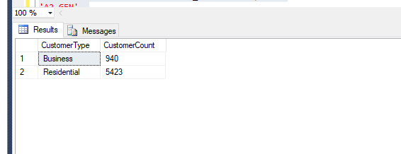

 |  |  |  |  | Business | Credit Card | 2019-07 | 2
 |  |  |  |  | Business | Bank | 2019-08 | 22
 |  |  |  |  | Business | Credit Card | 2019-08 | 4
 |  |  |  |  | Business | Bank | 2019-09 | 6
 |  |  |  |  | Business | Credit Card | 2019-09 | 3
 |  |  |  |  | Business | Bank | 2019-10 | 9
 |  |  |  |  | Business | Credit Card | 2019-10 | 6
 |  |  |  |  | Business | Bank | 2019-11 | 3
 |  |  |  |  | Business | Credit Card | 2019-11 | 4
 |  |  |  |  | Business | Bank | 2019-12 | 8
 |  |  |  |  | Business | Credit Card | 2019-12 | 1
 |  |  |  |  | Business | Bank | 2020-01 | 21
 |  |  |  |  | Business | Credit Card | 2020-01 | 2
 |  |  |  |  | Business | Bank | 2020-02 | 2
 |  |  |  |  | Business | Credit Card | 2020-02 | 8
 |  |  |  |  | Business | Bank | 2020-03 | 2
 |  |  |  |  | Business | Credit Card | 2020-03 | 2
 |  |  |  |  | Business | Bank | 2020-04 | 6
 |  |  |  |  | Business | Credit Card | 2020-04 | 3
 |  |  |  |  | Business | Bank | 2020-05 | 17
 |  |  |  |  | Business | Credit Card | 2020-05 | 1
 |  |  |  |  | Business | Bank | 2020-06 | 5
 |  |  |  |  | Business | Credit Card | 2020-06 | 2
 |  |  |  |  | Residential | Bank | 2019-07 | 81
 |  |  |  |  | Residential | Credit Card | 2019-07 | 44
 |  |  |  |  | Residential | Bank | 2019-08 | 80
 |  |  |  |  | Residential | Credit Card | 2019-08 | 43
 |  |  |  |  | Residential | Bank | 2019-09 | 61
 |  |  |  |  | Residential | Credit Card | 2019-09 | 22
 |  |  |  |  | Residential | Bank | 2019-10 | 78
 |  |  |  |  | Residential | Credit Card | 2019-10 | 38
 |  |  |  |  | Residential | Bank | 2019-11 | 66
 |  |  |  |  | Residential | Credit Card | 2019-11 | 37
 |  |  |  |  | Residential | Bank | 2019-12 | 49
 |  |  |  |  | Residential | Credit Card | 2019-12 | 36
 |  |  |  |  | Residential | Bank | 2020-01 | 73
 |  |  |  |  | Residential | Credit Card | 2020-01 | 27
 |  |  |  |  | Residential | Bank | 2020-02 | 80
 |  |  |  |  | Residential | Credit Card | 2020-02 | 94
 |  |  |  |  | Residential | Bank | 2020-03 | 62
 |  |  |  |  | Residential | Credit Card | 2020-03 | 37
 |  |  |  |  | Residential | Bank | 2020-04 | 60
 |  |  |  |  | Residential | Credit Card | 2020-04 | 41
 |  |  |  |  | Residential | Bank | 2020-05 | 91
 |  |  |  |  | Residential | Credit Card | 2020-05 | 25
 |  |  |  |  | Residential | Bank | 2020-06 | 56
 |  |  |  |  | Residential | Credit Card | 2020-06 | 51

Complaints
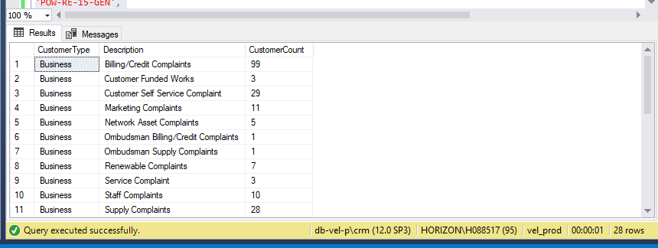
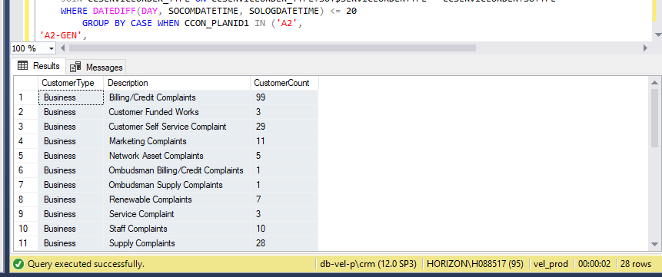
Note: Indicators that require a value as at 30 June are shaded green. Indicators that require a cumulative total value for the whole of the reporting year are shaded blue. Do not enter data into cells that are shaded yellow, these indicators are automatically calculated. Do not enter data into cells that are shaded grey, they do not apply to that indicator.
#REF!
Complaints
IndicatorNo. | Description | Basis of Reporting |  | Comments
 |  | Number | Percentage
CCR 72 | Total number of complaints received from residential customers, other than complaints received from pre-payment meter customers. | 693 |  | During disconnection moratorium due to COVID and government payment reduced the number of customer contacts and complaints.
CCR 73 | Total number of complaints received from business customers, other than complaints received from pre-payment meter customers. | 96 |  | Refer to CCR72
CCR 74 | Total number of residential customer complaints that are billing/credit complaints. | 364 |  | Refer to CCR72
CCR 75 | Percentage of residential customer complaints that are billing/credit complaints. |  | 52.5%
CCR 76 | Total number of business customer complaints that are billing/credit complaints. | 59 |  | Refer to CCR72
CCR 77 | Percentage of business customer complaints that are billing/credit complaints. |  | 61.5%
CCR 78 | Total number of residential customer complaints that are transfer complaints. | 0
CCR 79 | Percentage of residential customer complaints that are transfer complaints.
CCR 80 | Total number of business customer complaints that are transfer complaints. | 0
CCR 81 | Percentage of business customer complaints that are transfer complaints.
CCR 82 | Total number of residential customer complaints that are marketing complaints (including complaints made directly to a retailer). | 6 |  | Refer to CCR72
CCR 83 | Percentage of residential customer complaints that are marketing complaints (including complaints made directly to a retailer). |  | 0.9%
CCR 84 | Total number of business customer complaints that are marketing complaints (including complaints made directly to a retailer). | 1
CCR 85 | Percentage of business customer complaints that are marketing complaints (including complaints made directly to a retailer). |  | 1.0%
CCR 86 | Total number of residential customer complaints that are other complaints. | 323 |  | Refer to CCR72
CCR 87 | Percentage of residential customer complaints that are other complaints. |  | 46.6%
CCR 88 | Total number of business customer complaints that are other complaints. | 36 |  | Refer to CCR72
CCR 89 | Percentage of business customer complaints that are other complaints. |  | 37.5%
CCR 90 | Total number of residential customer complaints concluded within 15 business days. | 671 |  | Refer to CCR72
CCR 91 | Percentage of residential customer complaints concluded within 15 business days. |  | 96.8%
CCR 92 | Total number of residential customer complaints concluded within 20 business days. | 12
CCR 93 | Percentage of residential customer complaints concluded within 20 business days. |  | 1.7%
CCR 94 | Total number of business customer complaints concluded within 15 business days. | 90 |  | Refer to CCR72
CCR 95 | Percentage of business customer complaints concluded within 15 business days. |  | 93.8%
CCR 96 | Total number of business customer complaints concluded within 20 business days. | 2
CCR 97 | Percentage of business customer complaints concluded within 20 business days. |  | 2.1%
CCR 98 | Total number of pre-payment meter customer complaints. | 1
CCR 99 | Total number of pre-payment meter customer complaints concluded within 15 business days. | 1
CCR 100 | Percentage of pre-payment meter customer complaints concluded within 15 business days. |  | 100%
CCR 101 | Total number of pre-payment meter customer complaints concluded within 20 business days. | 0
CCR 102 | Percentage of pre-payment meter customer complaints concluded within 20 business days.

